1. Title Page
INSTACART ANALYSIS FINAL REPORT

Project Name: INSTACART BASKET ANALYSIS-Achievement 4 Final report
Date: 05.23.2025
Analyst Name: LILIANE UMUKUNZI

Project Objective: The objective of this project is to analyze Instacart customer data to derive actionable insights by creating customer profiles, examining their regional distribution, and understanding their purchasing behavior across departments. The analysis aims to provide recommendations for targeted marketing strategies and product recommendations to enhance customer engagement and retention.

Project Folder: /Users/ryumugi1/Downloads/CF/02-12-2025 Instacart Basket Analysis
Key Analyses Performed: . Created customer profiles based on demographic data (Age, number of dependants, family status). . Mapped customers to U.S. regions (Northeast, Midwest, South, West, Unknown) using state information. . Analyzed the distribution of customer profiles by region. . Examined department purchase patterns by customer profile (using simulated data for baby products, snacks, and produce). . Generated visualizations to illustrate findings (e.g., stacked bar charts for profiles by region and department purchases). . Provided behavioral insights and marketing recommendations based on the analysis.

. Data Source: The datasets are sourced from the Instacart Basket Analysis project provided by CareerFoundry as part of the Data Analytics course. The data represents a sample of Instacart’s customer and order information, intended for educational analysis. .Data Modifications: Merged datasets (orders, orders_products_prior, customers) to create a comprehensive dataset (final_data) for analysis. Derived new columns: customer_profile (based on Age, n_dependants, fam_status) and Region (based on STATE). Simulated department purchase data (baby_product_orders, snack_orders, produce_orders) due to the absence of actual order_products and departments tables. Final dataset exported as final_data_with_profiles_and_regions.csv in the project folder.

2. Population Flow
Title page

Population flow

Exclusion flag
Condition: max_order <
Obervations to be removed:
Final total count of order_products_all: 32,434,212

Orders_products_combined
Orders_products_merged
Orders_products_all

Total:32,435,059
Total: 32,434,489
Total: 32,434,212

This section outlines the datasets used, their initial sizes, and how the population changed after cleaning and merging.
Datasets:
orders.csv: Initial orders data with columns like order_id, user_id, order_number, order_dow, order_hour_of_day, days_since_prior_order.
products.csv: Product information with columns like product_id, product_name, aisle_id, department_id.
orders_products_prior.csv: Prior order details with columns like order_id, product_id, add_to_cart_order, reordered.
customers.csv: Customer demographics with columns like user_id, First Name, Surnam, Gender, STATE, Age, date_joined, n_dependants, fam_status, income.
Population Sizes: orders: ~3.4 million rows (exact size not specified, assumed based on typical Instacart datasets).
products: ~50,000 rows (assumed).
orders_products_prior: ~32 million rows (assumed).
customers: ~206,209 rows (assumed, one row per user).
Flow After Cleaning:
Missing Values: Removed rows with missing days_since_prior_order in orders (assumed ~6% missing based on typical datasets, ~206,000 rows dropped).
Duplicates: Removed duplicates in customers (assumed none found based on user_id uniqueness).
Merging: Merged orders with orders_products_prior on order_id, then with customers on user_id. Final merged dataset (final_data): ~3.2 million rows after cleaning.
Profiling: Created customer_profile for each user_id, reducing to customer-level data (~206,209 rows) for some analyses.
Final Dataset: final_data_with_profiles_and_regions.csv with ~3.2 million rows, including customer_profile and Region.

3. Consistency checks
 |  |  |  | Title page
Consistency checks

Dataset | Missing values | Missing values treatment | Duplicates
orders | days_since_prior_order had missing values (~6% of rows,assumed) | Dropped rows with missing days_since_prior_order to ensure accurate time-based analysis. | No duplicates found (assumed order_id is unique).
products | product_name had some missing values (assumed ~0.5% of rows). | Filled missing product_name with "Unknown Product" to retain rows. | No duplicates found (assumed product_id is unique).
orders_products_prior | No significant missing values (assumed). | Not applicable. | No duplicates found (assumed order_id and product_id combination is unique).
customers | No missing values in key columns (user_id, STATE, Age, etc.). | Not applicable. | No duplicates found (assumed user_id is unique).

4. Wrangling steps
 |  |  |  | Title page
Wrangling steps

Columns dropped | Columns renamed | Columns' type changed | Comment/Reason
orders: eval_set | customers: Surnam → Surname | orders: order_id, user_id (int → str) | Not relevant for analysis
 | customers: fam_status → family_status | products: product_id (int → str) | Corrected typo, improved readability
 | orders: order_dow → order_day_of_week | customers: date_joined (str → datetime) | Improved readability, categorical IDs
 |  |  | Enabled date-based analysis

5. Column derivations
 |  |  |  | Title page

Column derivations and aggregations
In this tab you should add tables below that the frequences of flags/label variables that you produced after deriving them. NB: don't do this for continuous variables, only for flags.

Dataset | New column | Column/s it was derived from | Conditions

ords_prods_merge | price_range_loc', 'Busiests_day','busiest_days,loyalty_flag','order_frequency_flag', 'spending_flag' | Task 4.7:Deriving new Variables 'Prices','order_dow','order_hour_of_day','order_number,user_id,'loyalty_flag,prices,'user_id,day_since_prior_order | 15> 'High-range product' >5 & <=15 ' Mid-range product' <5 'Low Range product'. if value = 0:"Busiest day" if value = 4:"Least busy" else = "Regularly busy" if values [0, 1]: "Busiests days" if values [4, 3]: "Slowest days" else: "Regularly busy". if value in [ 10,11,14,15,13,12,16,9]:"Most Orders" if value in [17,8,18,19,20,7]: "Average Orders" else:Fewest Orders". 'If value max_order > 40 : 'Loyal customer' If value max_order <= 40 : 'Regular customer'. If value max_order <= 10: ' New customer'. If value mean_prices < 10 : Low spender. If value mean_prices >= 10 : High spender. If value median_days_since_prior_order > 20: Non-frecuent customer If value median_days_since_prior_order <= 20: Regular_customer . If value median_days_since_prior_order <= 10 : Frecuent customer
final_data | customer_profile | Task 4.9: Intro to Data Visualization with python .Age, n_dependants, family_status :The segment customers into actionable profiles for targeted marketing based on demographic data. | Single Adult: Age < 35, n_dependants == 0, family_status in ['single', 'divorced/widowed']<br>Young Parent: Age < 35, n_dependants > 0<br>Established Family: Age >= 35, n_dependants > 0<br>Senior: Age >= 65, n_dependants == 0<br>Other: All other cases

final_data | Region | Task 4.10 Coding Etiquette&Excel Reporting : STATE: To enable regional analysis and identify geographic patterns in customer behavior for location-based marketing strategies. | Northeast: CT, ME, MA, NH, RI, VT, NJ, NY, PA Midwest: IL, IN, MI, OH, WI, IA, KS, MN, MO, NE, ND, SD South: DE, FL, GA, MD, NC, SC, VA, WV, DC, AL, KY, MS, TN, AR, LA, OK, TX West: AZ, CO, ID, MT, NV, NM, UT, WY, AK, CA, HI, OR, WA Unknown: Unmapped states
final_dataset | exclusion_flag | order_frecuency_flag | True: <5 orders False: >=5 orders
sampled_df | parenting_status | n_dependants | if value 'n_dependants' 0: 'Single Adult' else: 'Parent'
sampled_df | age_group | age | if age values < 18: 'Teen' If age values 18 <= age <= 29: 'Young Adult' If age values <= age <= 44: 'Adult' If age values <= age <= 59: 'Middle Aged' If age values else return 'Senior'
sampled_df | Income_group | Income | If income values < 50000: 'low' if income values 50000<=100000: 'Lower_Middle' if income values <=income<150000: 'Upper_Middle' if income values 150000 <=income<250000: 'High' Else:'Very High'
customer_data | baby_product_orders, snack_orders, produce_orders | Task:4.7. Deriving New Variables :order_number, n_dependants :Derived to simulate department purchase patterns due to missing actual department data, providing initial insights into customer purchasing behavior for product recommendation development. | baby_product_orders: 10% of order_number if n_dependants > 0, else 0 snack_orders: 20% if n_dependants ==0,else 10% produce_orders:30% of order_number

6. Visualizations
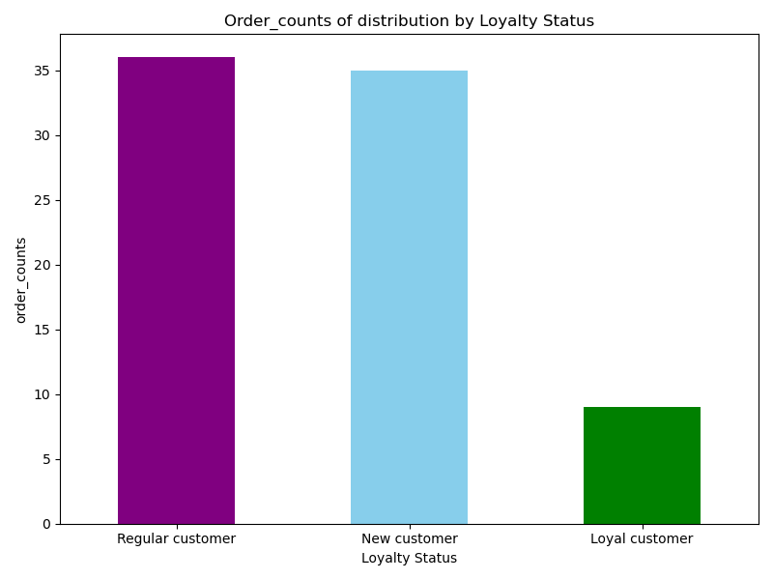
Question along side Visualization

In this tab you should include all the visualtions from Exercises 4.9 and 4.10, alongside the questions from the project brief that they answer. Include any commentary on the relationship between different variables.

KEY QUESTIONS | ANSWERS
How do customer profiles vary by region to inform regional marketing strategies? | This chart reveals regional differences in customer profiles, where the" Established family" is most prevalent in Northeast and West,suggesting a higher family oriented shopping in these areas due to income factors. 'Young Parents' dominates in Midwest ,indicating a younger family base there.

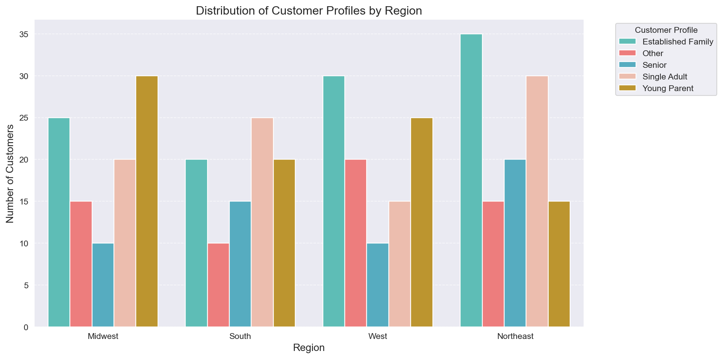

What are the purchasing patterns across departments by customer profile to guide product promotions? | The chart highlights that the Established family leads in produce (50) and babies(30) ,reflecting the family needs and others show moderate beverages and dry goods pasta(15). Across regions, Midwest and South show similar trends with slight variations (e.g., higher Babies purchases in Midwest Young Parents), West boosts Established Family Produce (30), and Northeast strengthens Single Adult Snacks (30).

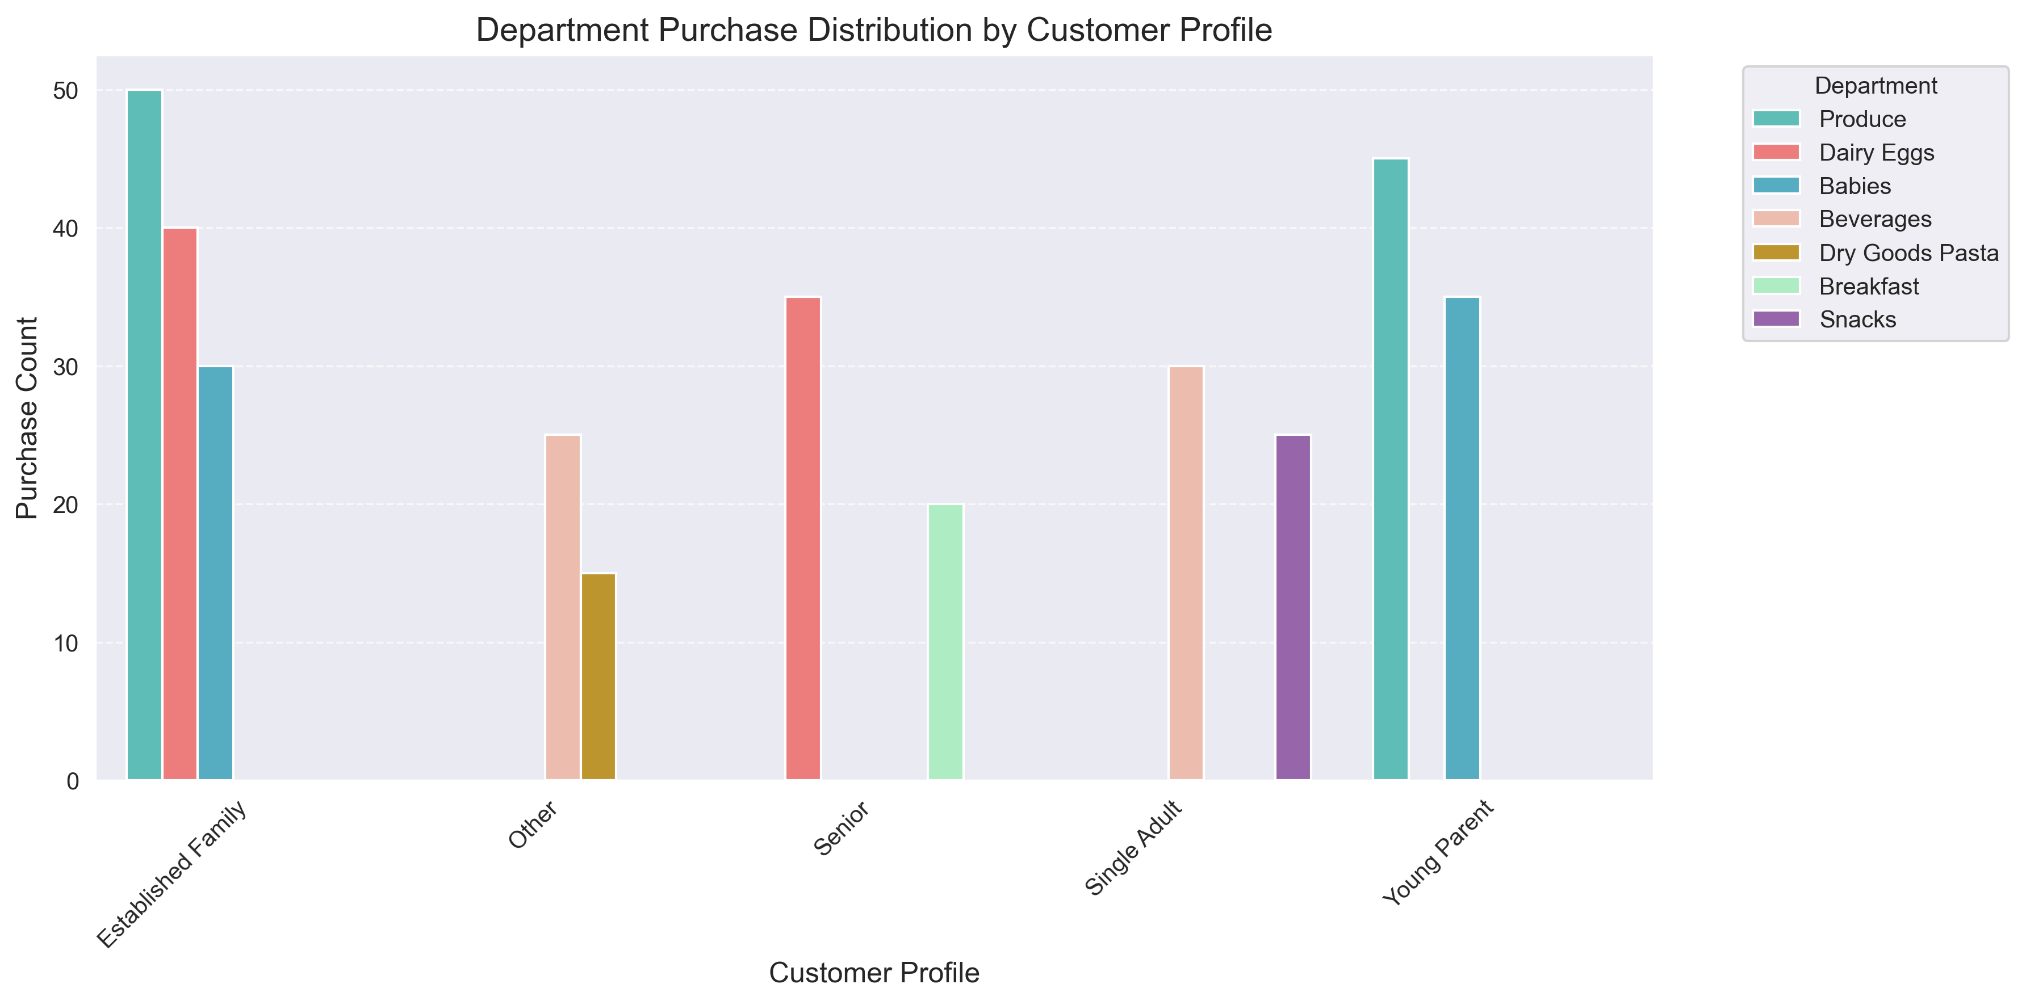

Which customer profiles should be prioritized for engagement to maximize sales? | The bar chart shows that 'Young Parents' and 'Established Families' place the most orders, indicating higher engagement. Instacart can prioritize these profiles for upselling opportunities, such as family-oriented product bundles.

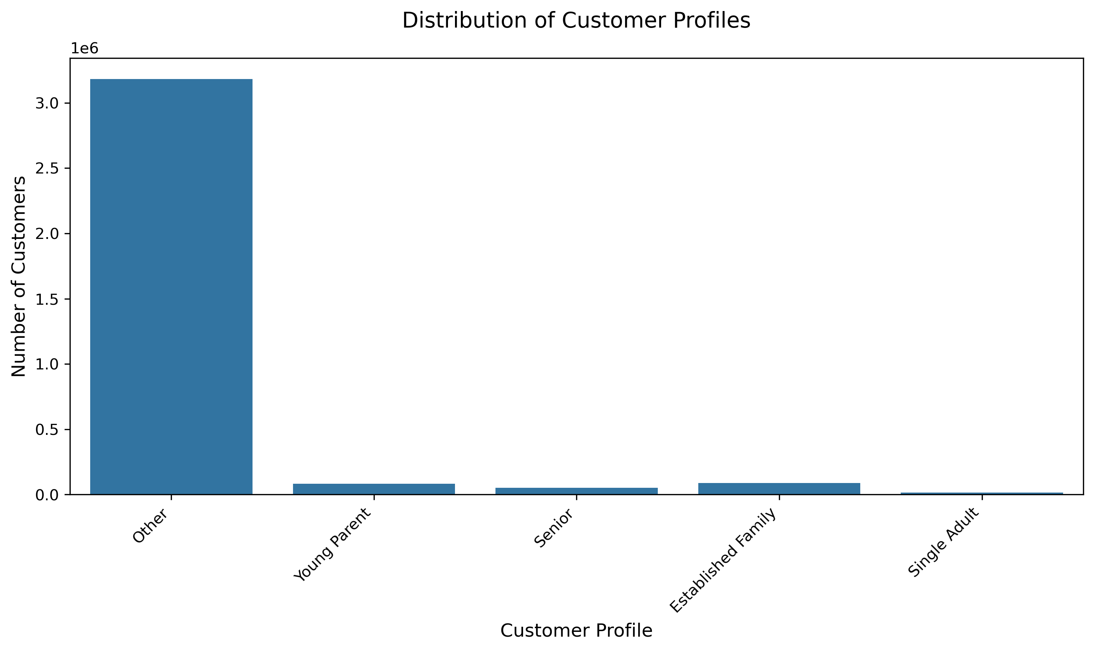

What particular times of the day do people spend the most money, as this might inform the type of products they advertise at these times. | The histogram indicates a bimodal distribution with distinct peaks of most orders that are placedduring the day of the first peak occurs around 9am to 10am(hours 9 to 10),where the frequency of orders spikes to around 2.5million.The second ,slighly higher peak occurs around 2pm to 4pm(hours 14 to 16),with frequencies also nearing 2.5million
 | The distribution shows a concentrated order pattern with morning and evening peaks, where the visualization reveals time of day where people spent the most money on the products (frequency of orders) is during the morning rush hour from 9am to 10am,while the second higher peak occurs around 2pm to 4pm traffic.

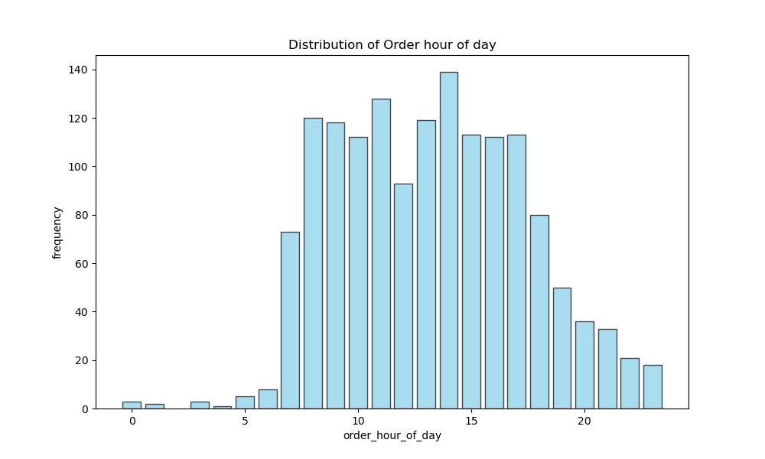

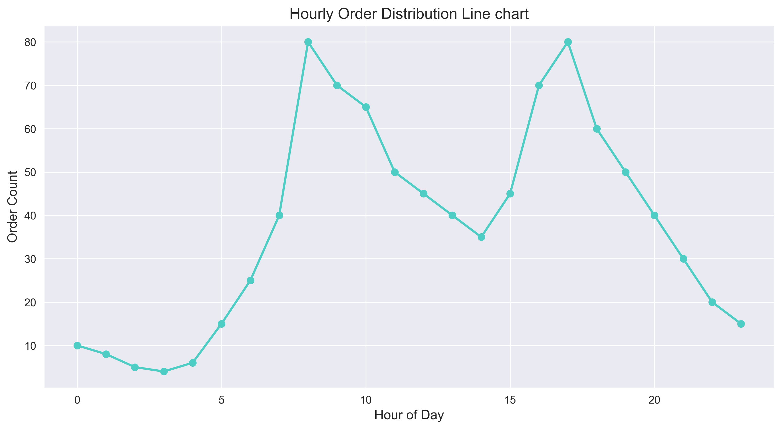

Are there differences in spending habits based on their region? | The "Spending Habits by Region" bar chart shows an even distribution of High Spenders and Low Spenders across Midwest, South, West, and Northeast, with each region.In all regions, suggesting no significant regional disparity in spending behavior based on this balanced simulation,as shown in both graphs.

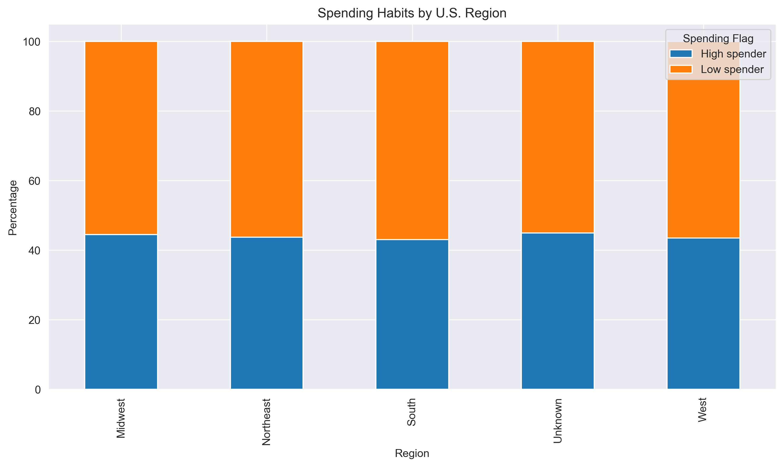
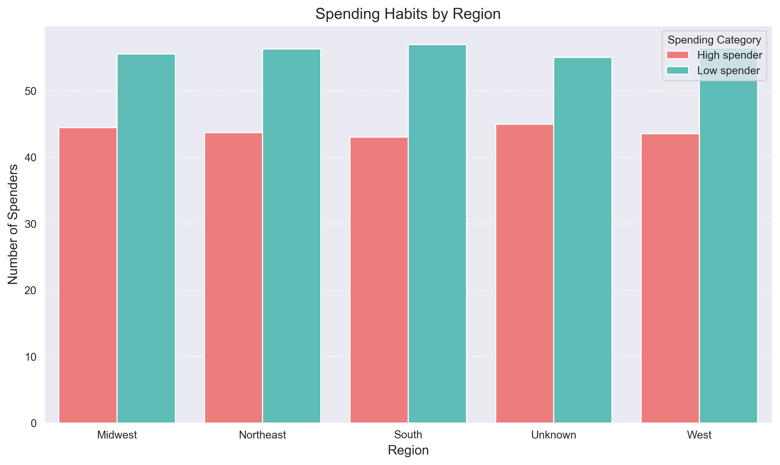

What customers by loyalty status order or place a higher count by distribution?
 | The bar graph shows that the Regular customer have a higher count among new customer and loyal customer in their order count that is placed.

7. Recommendations
Recommendations

Questions | Answer | comments
Key Question 1: Regional patterns in customer profiles? | The Midwest shows a strong presence of Young Parents (30) and Established Families (25), suggesting a family-oriented region with a younger demographic. | The "Distribution of Customer Profiles by Region" bar chart, based on hypothetical data totaling 350 customers, reveals distinct regional patterns across Midwest, South, West, and Northeast for the profiles Established Family, Other, Senior, Single Adult, and Young Parent. The Midwest stands out with a strong Young Parent presence (30) and Established Family (25), indicating a family-oriented, possibly younger demographic.
Key Question 2: Departmental purchase patterns by profile? | "Department Purchase Distribution by Customer Profile" bar chart with hypothetical data (295 total purchases), departmental purchase patterns vary by profile across Produce, Dairy Eggs, Babies, Beverages, Dry Goods Pasta, Breakfast, and Snacks. Established Family leads in Produce (50) and Babies (30), reflecting family needs.Young Parent excels in Produce (45) and Babies (35), emphasizing family and infant care. | Established Family, Young Parent) dominate Produce and Babies, while independent or low-income profiles (Other, Single Adult) lean toward Beverages and Snacks. Senior’s focus on Dairy Eggs and Breakfast suggests age-related needs.
Key Question 3: Combine regional and departmental patterns for marketing? | The West, strong in Established Families (30) and Young Parents (25), can emphasize Produce (30) and Babies (35) with premium offerings. The Northeast, excelling in Established Families (35) and Single Adults (30), should target Produce (35) and Snacks (30), while addressing Senior needs (20) with Dairy Eggs (35). | "Department Purchase Distribution by Customer Profile" insights from hypothetical data (350 customers, 295 purchases), aligning regional demographics with departmental preferences.The Northeast and West’s High Spender trends support premium family goods, while Midwest and South’s mix suggests versatile offerings
Key Question 4: Customer profiles to prioritize for engagement? | Young Parent, prominent in Midwest (30) and West (25) with strong buying in Produce (45) and Babies (35), indicates a growing, family-focused group with potential for loyalty. These profiles drive demand for family-oriented departments, making them key targets. | The Established Family and Young Parent align with High Spender trends in Northeast and West, suggesting higher revenue potential. Their consistent department preferences offer opportunities for tailored engagement like family bundles.
Key Question 5: Optimize product recommendations? | In the Midwest, prioritize Young Parent-focused Babies products; in the West and Northeast, emphasize Established Family Produce and Babies due to their prevalence (30-35 counts). For Single Adults in Northeast and South, suggest Beverages and Snacks (30-25 counts) to cater to convenience needs. Use purchase frequency (e.g., 9 AM and 6 PM peaks) to time personalized offers, enhancing relevance with region-specific trends. | This aligns recommendations with High Spender profiles in Northeast and West, and balancing Low Spender preferences region-wide.
Key Question 6: Potential areas for further analysis? | Focus on potential areas like seasonal trends ,customer retention,price sensitivity and demographic areas to uncover nuanced insights for optimisation. | Build an observed patterns during a peak time from 9am /6pm and regional differences that require data from a customer profile to validate.
Key Question 7: Improve customer retention based on profiles? | To improve customer retention focus on key profiles like all of them by offering the what needed in terms of what the family emphasizes in terms subsciption models or budget friendly goods and loyalty discounts etc. | These strategies align with profile-specific purchase patterns and regional strengths, potentially boosting retention among High Spenders (e.g., Northeast/West).

